1. Title Page
Data Analysis

Project Name: Instacart Data Analysis
Date: 11/03/2021
Analyst Name: Benita Voran

Contents:
Population Flow
Consistency checks
Wrangling steps
Column derivations
Visualizations
Recommendations

Data Source:
“The Instacart Online Grocery Shopping Dataset 2017”, Accessed from https://www.instacart.com/datasets/grocery-shopping-2017 on 8/30/2021.

Objective You’re an analyst for an existing company, Instacart, an online grocery store that operates through an app. Instacart already has very good sales, but they want to uncover more information about their sales patterns. Your task is to perform an initial data and exploratory analysis of some of their data in order to derive insights and suggest strategies for better segmentation based on the provided criteria.

Context The Instacart stakeholders are most interested in the variety of customers in their database along with their purchasing behaviors. They assume they can't target everyone using the same methods, and they’re considering a targeted marketing strategy. They want to target different customers with applicable marketing campaigns to see whether they have an effect on the sale of their products. Your analysis will inform what this strategy might look like to ensure Instacart targets the right customer profiles with the appropriate products.

2. Population Flow
Title page

Population flow

Exclusion flag
Condition: max_order < 5
Obervations to be removed: 19370683
Final total count of order_products_all: 29298154

Orders_products_combined
Orders_products_merged
Orders_products_all

Total: 9927689
Total: 9927471
Total: 29298154

1.) The grey boxes in the first row of the population flow represent the original data sets as they were when you downloaded them. In the Total fields you need to add the count of the rows when you imported the data set into Jupyter.
2.) The second row of boxes (coloured) represents the data sets after you manipulated them, e.g., removed missing values and duplicates. In the Total fields you need to add the count of the rows after conducting these operations. This offers a visual oveview of how the data flows throughout the data consistency checks.
3.) The third row, where also the arrows are coloured, represents the merges you performed between the datasets. In the Total fields you need to add the count of the rows in the merged datasets, so that you end up with the final dataset (in the red box). Keep in mind the final dataset should be without exclusions (based on the exclusion flag).

3. Consistency checks
 |  |  |  | Title page
Consistency checks

Dataset | Missing values | Missing values treatment | Duplicates
orders original | 206209 [days_since_prior_order] | removed first time buyers since we're looking for repeat customers | None
products original | 16 [product name] | Removed missing values | 5
orders_products_prior | None | None | None
customers original | None | Dropped the first name | None

4. Wrangling steps
 |  |  |  |  | Title page
Wrangling steps

Data set | Columns dropped | Columns renamed | Columns' type changed | Comment/Reason
Orders original |  | order_dow -> orders_day_of_the_week |  | Changed the name to be more clear
Orders original |  |  | order_id changed to string | redefined the string
Orders original | eval_set |  |  | Removed, not needed in analysis
Orders original |  |  | user_id changed to string | redefined the string
Customers original |  |  | First Name changed from mixed-type to string | Eliminate mixed-type columns
Customers original |  | Surnam -> Surname |  | Spelled Surname wrong
Orders_products_all | First_name |  |  | PII, removed to protect customers identity
Orders_products_all | Last_name |  |  | PII, removed to protect customers identity

5. Column derivations
 |  |  |  | Title page

Column derivations and aggregations

In this tab you should add tables below that the frequences of flags/label variables that you produced after deriving them. NB: don't do this for continuous variables, only for flags.
Dataset | New column | Column/s it was derived from | Conditions
orders_products_combined | price_range_loc | prices | high-range product = prices > 15; mid-range product = prices <= 15 and prices > 5; low-range product = prices <=5
orders_products_combined | busiest day | orders_day_of_week | Busiest day; Least busy day; Regularly busy days
orders_products_combined | time_period | order_hour_of_day | divided hours into time periods
orders_products_combined | busiest_period_of_day | time_period | Most orders; Fewest orders; Average orders
orders_products_combined | max_order | order_number | Group order_number column by user_id and calculate the max orders per user
orders_products_combined | loyalty_flag | max_order | Loyal customer; Regular customer; New customer
orders_products_combined | average_price | prices | Calculate the mean price per customer
orders_products_combined | spender_flag | average_price | High Spender; Low Spender
orders_products_combined | median_days_since_prior_order | days_since_prior_order | Aggregate days_since_prior_order by user_id and calculate the median
orders_products_customers | Region | STATE | list
orders_products_customers | exclusion_flag | max_order | low activity customer; regular customer
orders_products_customers | parental_status | n_dependants | n_dependants = 0 -> not parent; n_dependants >= 1 -> parent
orders_products_customers | department | department_id | Name of department_id found in department data set
orders_products_customers | weekday | orders_day_of_the_week | Created a column with names of weekdays, using the numbers provided in the project brief

6. Visualizations
 |  |  |  | Title page

Visualizations

Questions:
 | What are the busiest days of the week and hours of the day?
 | Are there particular times of the day when people spend the most money?
 | Marketing and sales want to use simpler price range groupings.
 | Are there types of products that are more popular than others? (Which department has the highest number of product orders?)
 | The marketing and sales teams are particularly interested in the different types of customers in their system and how their ordering behaviors differ
 | a. What's the distribution among users in regards to their brand loyalty?
 | b. Are there differences in ordering habits based on a customer’s loyalty status?
 | c. Are there differences in ordering habits based on a customer’s region?
 | d. Is there a connection between age and family status in terms of ordering habits?
 | e. What different classifications does the demographic information suggest? Age? Income? Certain types of goods? Family status?
 | f. What differences can you find in ordering habits of different customer profiles?

What are the busiest days of the week and hours of the day?
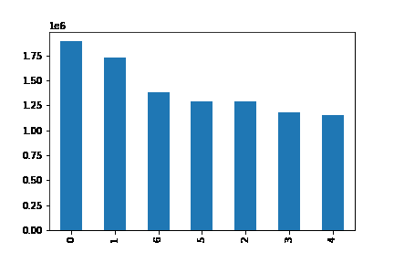
The busiest day of the week is Saturday. The least busy day of the week is Thursday

Figure 1. Cumulative orders per weekday (in millions)
0 = Saturday, 1 = Sunday, 2 = Monday, 3 = Tuesday, 4 = Wednesday, 5 = Thursday, 6 = Friday

Marketing and sales want to use simpler price range groupings.
Are there types of products that are more popular than others? (Which department has the highest number of product orders?)

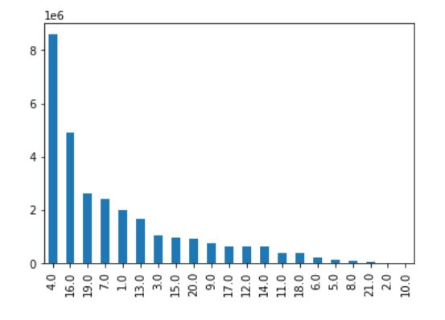

This chart represents the sales by department. Unsure why the department names are not included, but you can see a very defined trend of products that sell much more than some of the other products included.

Figure 2. Represemts the sales by department

The marketing and sales teams are particularly interested in the different types of customers in their system and how their ordering behaviors differ

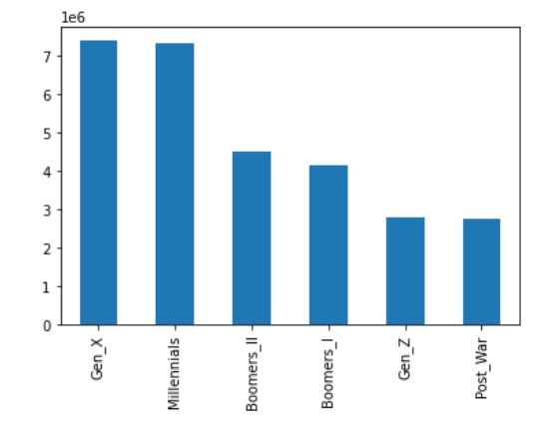
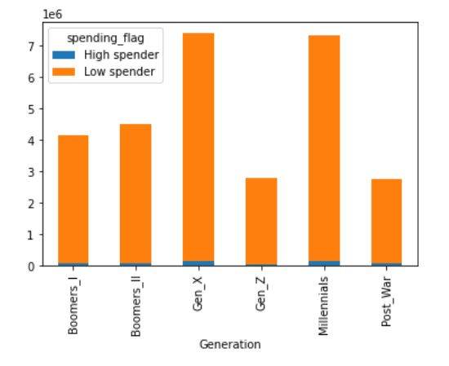

Based on the chart on the left you can see very clearly that the Gen-X and Millenials make up the most of the customers, and Gen-Z and Post-war make up the lowest amount of customers.
From the chart on the right we see that Gen-X and Millenials again make up the most of the customers, as both high and low spenders. Gen-Z has a very low amount under the high spender category, which makes the most sense, since this is the youngest generation and many are still school age, so most of them probably don't have jobs yet where they can be a high spender.

Figure 3. Customers based on their generation |  | Figure 4. High spenders vs. low spenders based on generation

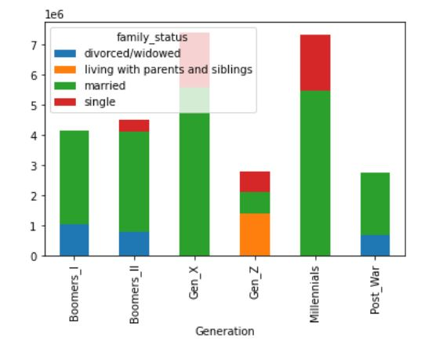
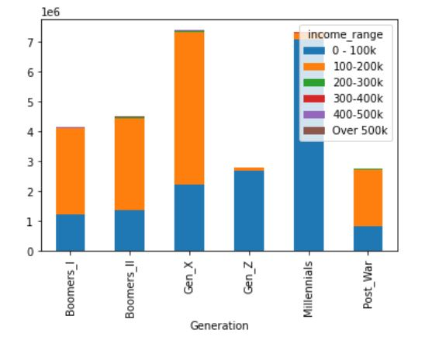
The chart on the left goes into more of the generational details, in this case it is looking at the family status based on generation. Not surprisingly Gen-Z is the youngest, so many of them are still single and living at home. The Millenials and Gen-X generations are getting in the age groups where more people are married, but there are still a good amount of singles. The older generations, the Boomers, and Post-war are primarily married or divorced/widowed.
The chart on the right shows the generation and income range. Most generations are within the first two income ranges, either 0-100K or 100-200K. The younger generations, the Gen-Z and Millenials are primarily in the lower bracket, and all the other older generations are more of a mix, with more people reaching the 100-200K bracket range.

Figure 5. family status per generation
 |  |  | Figure 6. Income range per generation

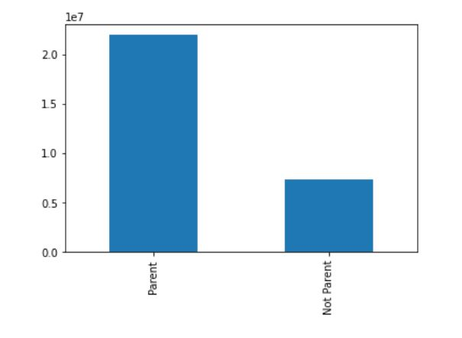
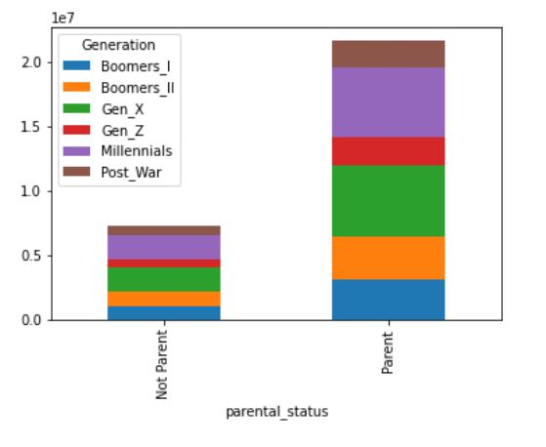

The parental status indicates that more customers in general for instacart are parents. This is very likely due to the fact that adults with kids are often occupied with other various tasks, so they like to utilize these types of services for convience.

Figure 7. Parental status per generation |  |  | Figure 8. Parental status

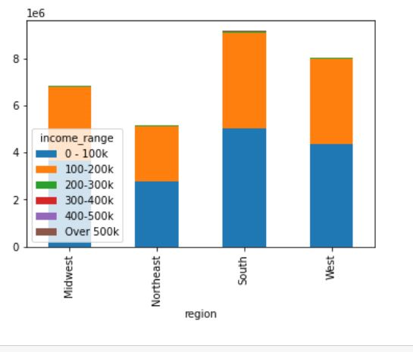
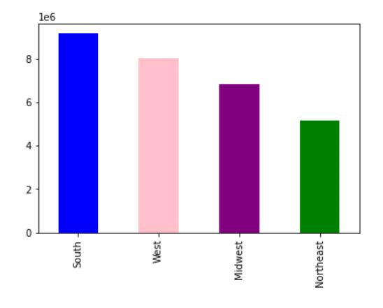

The income range and region are correlated. Based on the table on the right, the sales seem to be pretty evenly balanced by income range and region.

Figure 9. Sales per region in the US
 |  | Figure 10. Income range by region in the US

7. Recommendations BEV
 |  |  |  | Title page

Visualizations

Questions:
 | What are the busiest days of the week and hours of the day?
 | Are there particular times of the day when people spend the most money?
 | Marketing and sales want to use simpler price range groupings.
 | Are there types of products that are more popular than others? (Which department has the highest number of product orders?)
 | The marketing and sales teams are particularly interested in the different types of customers in their system and how their ordering behaviors differ
 | a. What's the distribution among users in regards to their brand loyalty?
 | b. Are there differences in ordering habits based on a customer’s loyalty status?
 | c. Are there differences in ordering habits based on a customer’s region?
 | d. Is there a connection between age and family status in terms of ordering habits?
 | e. What different classifications does the demographic information suggest? Age? Income? Certain types of goods? Family status?
 | f. What differences can you find in ordering habits of different customer profiles?

What are the busiest days of the week and hours of the day?
The busiest day of the week is Saturday. The least busy day of the week is Wednesday

Recommendations:
Market sales and promotions on the busiest days of the week to increase customer traffic and overall sales. Focus promotions over the weekends to bring in new customers.

Figure 1. Cumulative orders per weekday (in millions)
0 = Saturday, 1 = Sunday, 2 = Monday, 3 = Tuesday, 4 = Wednesday, 5 = Thursday, 6 = Friday

Marketing and sales want to use simpler price range groupings.
Are there types of products that are more popular than others? (Which department has the highest number of product orders?)

This chart represents the sales by department. Unsure why the department names are not included, but you can see a very defined trend of products that sell much more than some of the other products included.

Recommenations:
Focus on the products that aren't doing as well, and offer promotional sales to drive up interest. Perhaps look at targeting the marketing to attract people that purchase those products.

Figure 2. Represemts the sales by department

The marketing and sales teams are particularly interested in the different types of customers in their system and how their ordering behaviors differ

Based on the chart on the left you can see very clearly that the Gen-X and Millenials make up the most of the customers, and Gen-Z and Post-war make up the lowest amount of customers.
From the chart on the right we see that Gen-X and Millenials again make up the most of the customers, as both high and low spenders. Gen-Z has a very low amount under the high spender category, which makes the most sense, since this is the youngest generation and many are still school age, so most of them probably don't have jobs yet where they can be a high spender.

Recommendations:
Find ways to target marketing strategies to increase says with the Boomers and Gen-Z generations.

Figure 3. Customers based on their generation |  | Figure 4. High spenders vs. low spenders based on generation

The chart on the left goes into more of the generational details, in this case it is looking at the family status based on generation. Not surprisingly Gen-Z is the youngest, so many of them are still single and living at home. The Millenials and Gen-X generations are getting in the age groups where more people are married, but there are still a good amount of singles. The older generations, the Boomers, and Post-war are primarily married or divorced/widowed.
The chart on the right shows the generation and income range. Most generations are within the first two income ranges, either 0-100K or 100-200K. The younger generations, the Gen-Z and Millenials are primarily in the lower bracket, and all the other older generations are more of a mix, with more people reaching the 100-200K bracket range.

Recommendations:
More married couples are customers than single people, so try offerering different deals to bring in more of the single people.

Figure 5. family status per generation
 |  |  | Figure 6. Income range per generation

The parental status indicates that more customers in general for instacart are parents. This is very likely due to the fact that adults with kids are often occupied with other various tasks, so they like to utilize these types of services for convience.

Recommendations:
Try targeting separately the parent vs. non-parent potential customers. Parents would be more interested in things for kids and babies, while single people might be more interested in snacks, party items, and single serving items.

Figure 7. Parental status per generation |  |  | Figure 8. Parental status

The income range and region are correlated. Based on the table on the right, the sales seem to be pretty evenly balanced by income range and region.

Recommendations:
Aim advertising and marketing strategies for specific regions. People who live in Arizona would be purchasing some different items than someone living in Maine. Target the regions based on the needs of that specific area to increase customers for those regions.

Figure 9. Sales per region in the US
 |  | Figure 10. Income range by region in the US

